Provider及Channel 資訊確認方法
如何確認 Provider 以及 Channel 資訊：
LINE Developers: https://developers.line.biz/en/
第一步 點選：Provider List> 選擇你要申請的Provider > Provider ID可於網址確認 | 第二步：點選指定之Messaging API channel 確認OA是否為認證/企業帳號及主體> 確認OA主體是否與Provider主體相符 | 第三步：點選指定之Login/MINI App/Messaging API channel > 確認隱私權政策網址(PP URL)是否已綁定 > 確定隱私權政策網址(PP URL) 主體是否與Provider主體相符
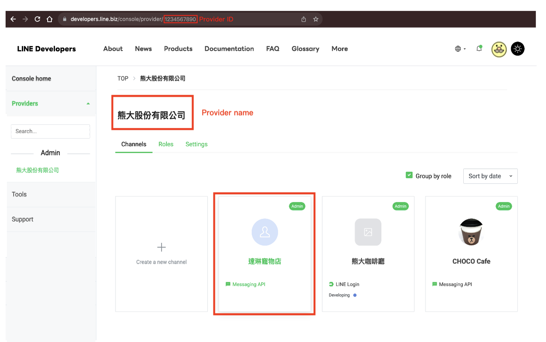
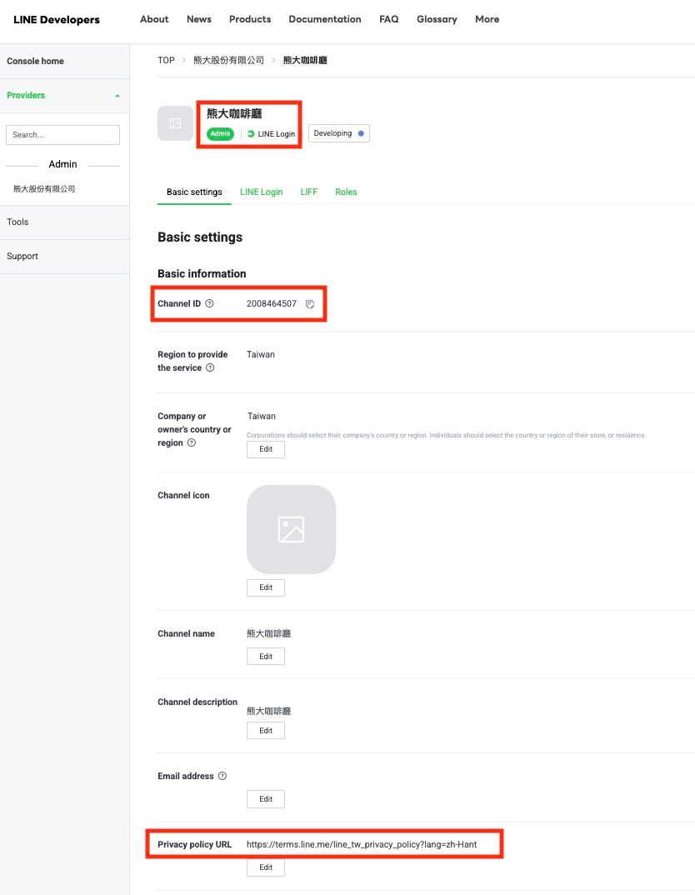
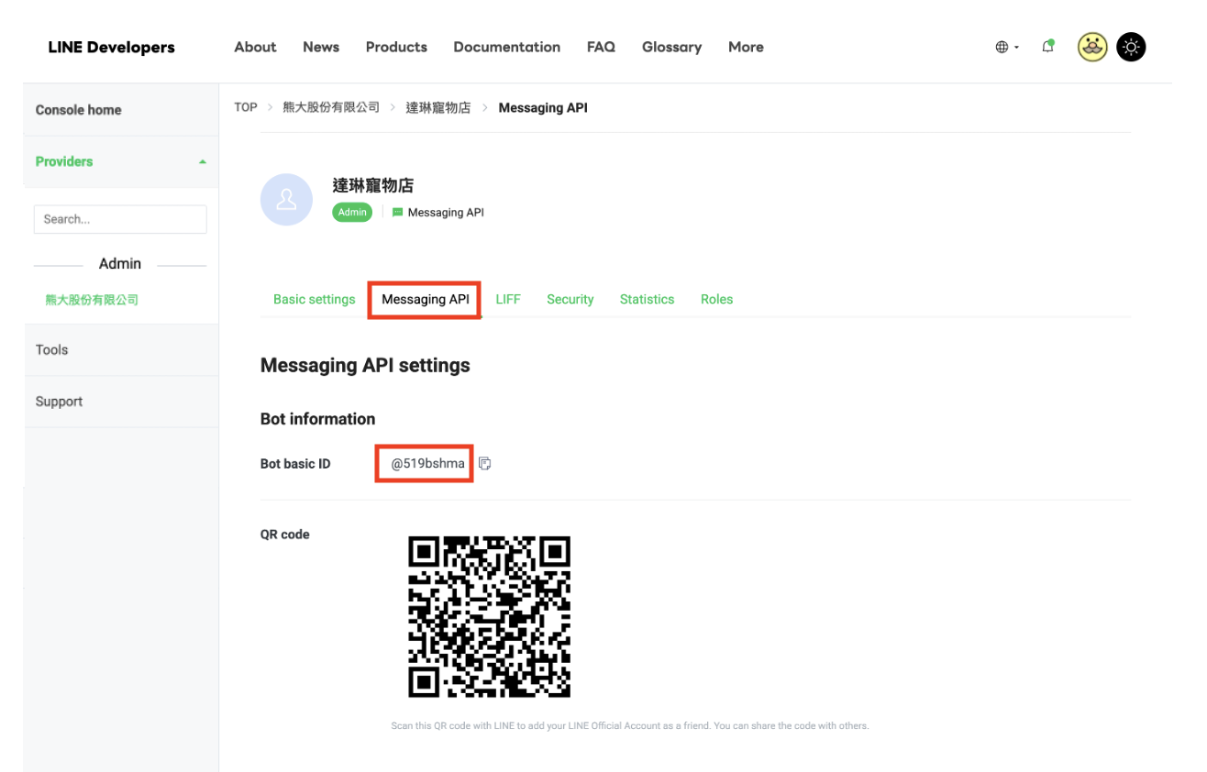

如何確認MINI App資訊：

點選欲申請之MINI App Channel > 點選Basic settings > 將Published Channel ID填寫至申請表內 > 確認是否綁定PP URL > 確認PP URL 主體是否與Provider 主體相符

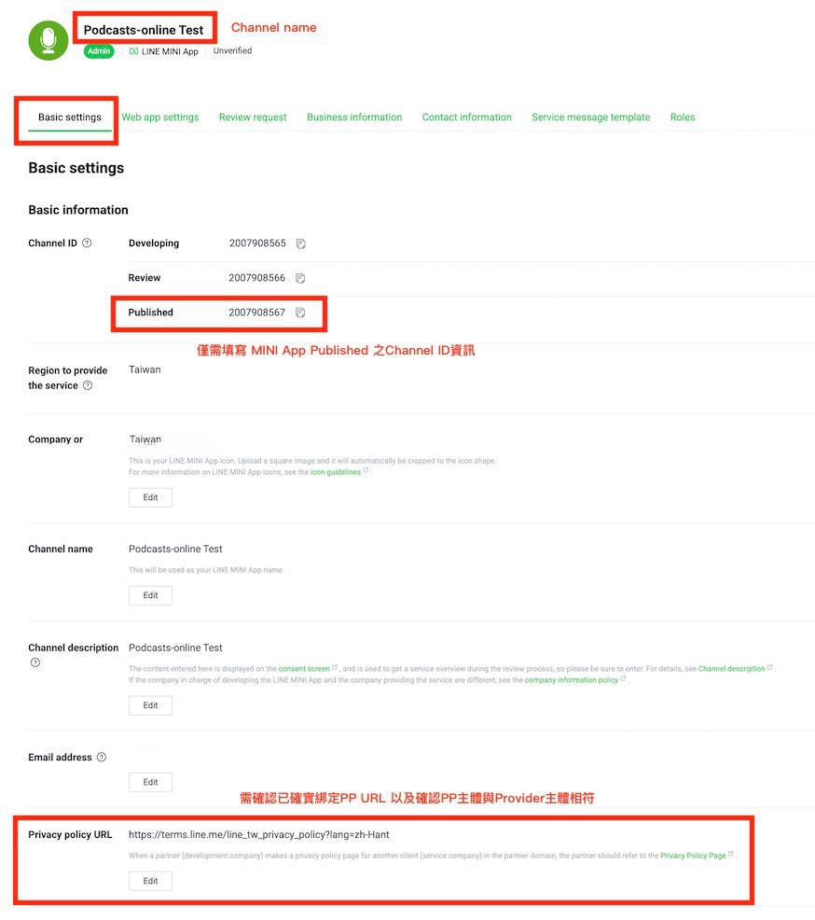

如何確認 Channel type 需選擇Messaging API+Login （COMPLEX_LEGACY）:

於 Provider 首頁 Channel 一覽中，若該 Channel 下方同時顯示「LINE Login」及「Messaging API」，Channel type 需於選擇Messaging API+Login （COMPLEX_LEGACY）

